Login
Splashtop: |  | Session ID: |  |  |  | GitHub EOD Link:
URL: | https://my.splashtop.com/login | 788314450 | main dev computer |  |  | https://liblibs.github.io/kmds/end-of-day.html
Username: | cmbensig@gmail.com | 738535603 | other machine
Password: | Batman@2025 | 556541130 | customer having dao360.dll issue
Desktop App: | C:\ProgramData\Microsoft\Windows\Start Menu\Programs\Splashtop Remote\Splashtop Business.lnk

Slack:
URL: | https://app.slack.com/client/T0GFBDZD3/C0GFCLNF5 |  |  | the Dark Horse podcast with Brett Weinstein and Doctor Malone, and Steve Kirsch
Username: | cmbensig@gmail.com
Password: | my Gmail password

Version Tracker:
URL: | D:\Documents\Work\Eric Fitzsimmons\KMDS Version Tracker.xlsx

MS Access: |  |  |  | Export SpreadSheet
ID: | 99 |  |  | CodeID | Location
Password: | 233

Password Decrypt:
?KMDSDecrypt(dlookup("Password","Cashier","ID=56"))

 |  |  |  | Issue: D1 screen > Location is showing numbers instead of the actual location like Aisle 1
8/28/2025 EOD Issue: |  | 99 | 233
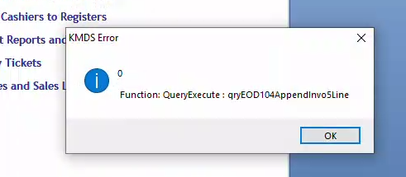
 |  |  |  | KMDSSQL_Keizer_20250416
 |  |  |  | KMDSSQL_Keizer_20250424

Steps
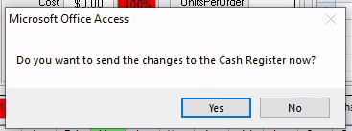
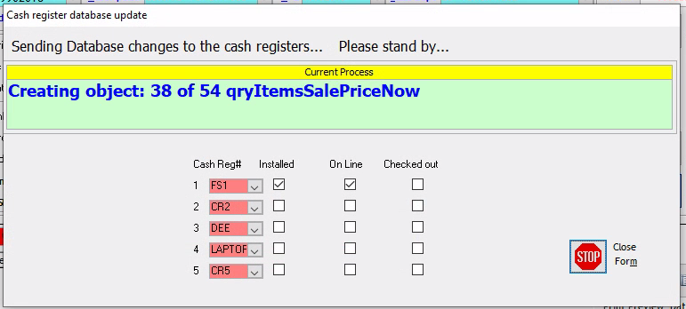
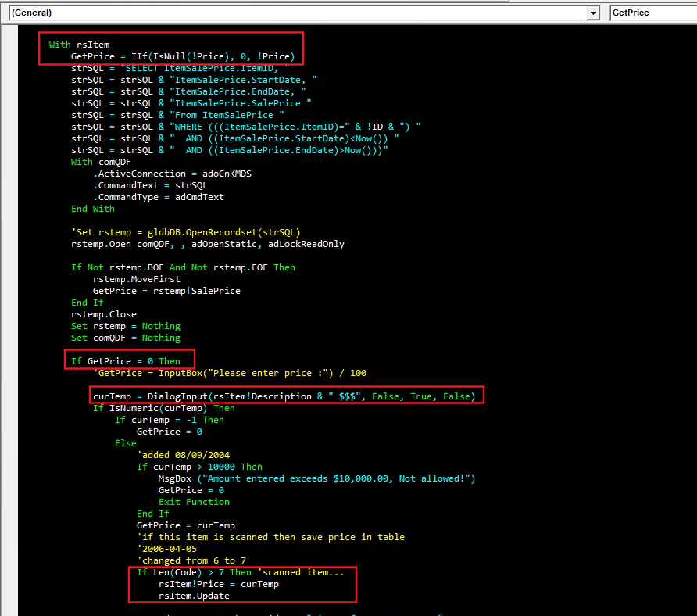
Creating new Sales Groups / Departments or item and updating the sale's price
 | STEP 1: E1 - Sales Groups / Departments
 | Description Dropdown | Select the group
1. Initially, it will get the existing price from the Item table
using the ID or UPC code. New record has price = 0.
 | ID | Input the ID that is not used, you have to guess it
 | Description | Input the description
 | Credit Dpt? | Tick this checkbox so that the quantity will be a negative value. It's different in Liquor, negative means returning and not selling. |  | Initially, it will get the existing price from the Item table
 | CatchAll | Double click the dropdown box, do not select, just double click and it will auto-select the "CatchAll - ***" |  | If price = 0, it will open the dialog where you input the price
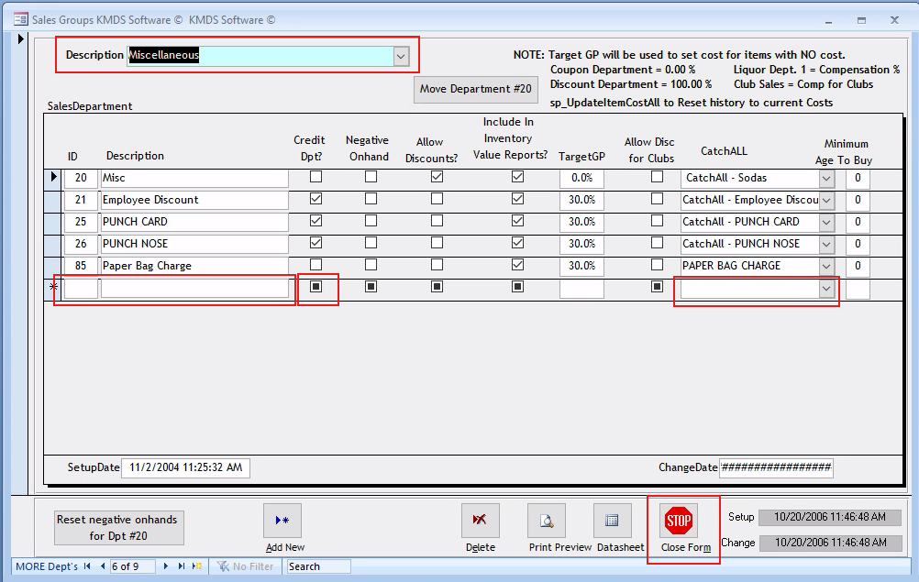
 |  |  |  | If the item code > 7 characters, it will update the price
 |  |  | Clicking the Close Form button will upload the changes to the Cash Registry. Just wait to finish.
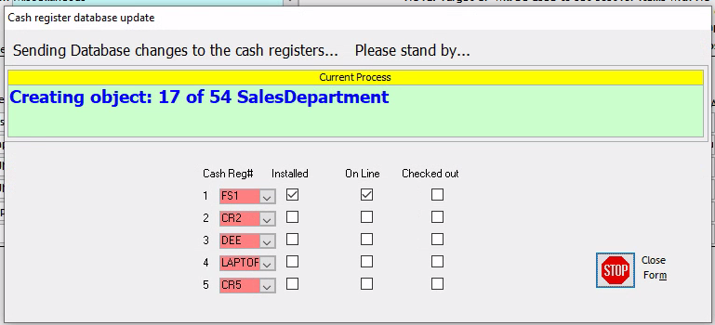

2. If price = 0, it will open the dialog where
you input the price.
 |  |  | Reason for the CatchAll:
 |  |  | The sales history of a deleted item in this department is moved to this number.

 | STEP 2: G5 - System Profile > CR Shortcut tab > assign the shortcut key > click Save > click Close Form > this will upload the entries to the Cash Register
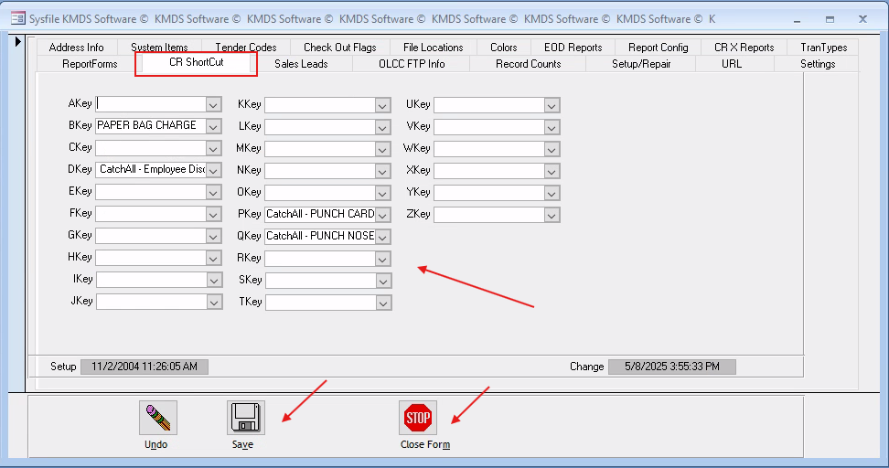
 |  |  | > the idea here is you can hit a letter in the Cash Register, or the shortcut key, and it will ask you for a price
3. If the item ID or UPC code is > 7 characters,
it will save the entered price.
This will bypass step 2 when you add subsequent entries.

 | STEP 3: A1 - Cash Register -- this will close the KMDS accdb and will open CR3.exe or the Cash Register
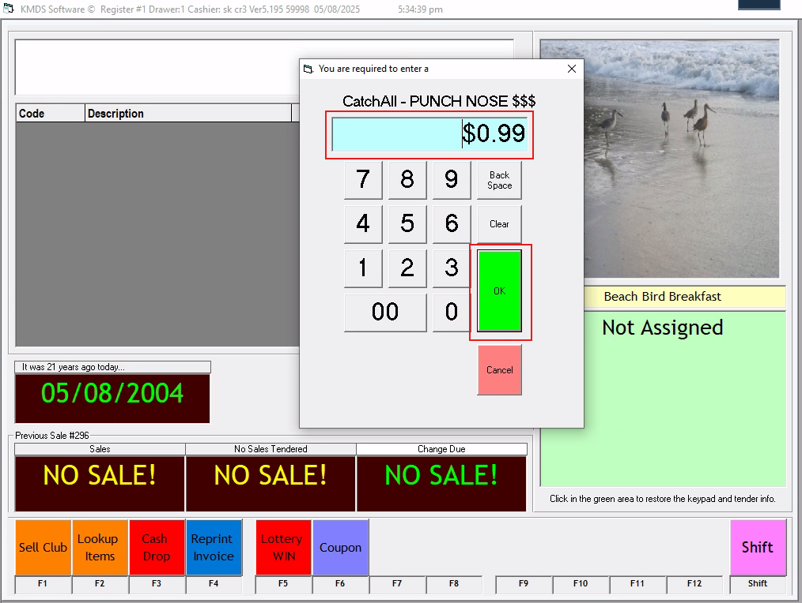

 |  |  | > click the green box (with Not Assigned label) to load the data
 |  |  | > click Shift > click Cancel to cancel entered data
 |  |  | > press the letter or the key to open the price window and input the price

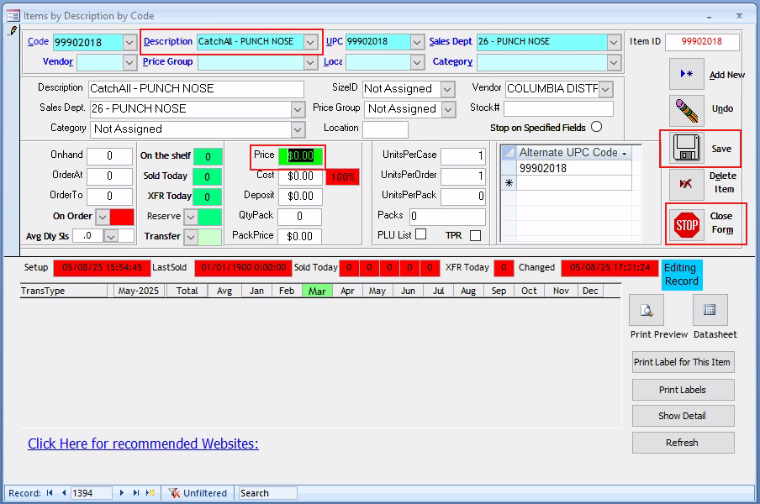
 | STEP 4: D1 - Inventory Items
 |  |  | > the created sales group or department will show here
 |  |  | > you can change the price here and it will reflect to the Cash Register

EOD
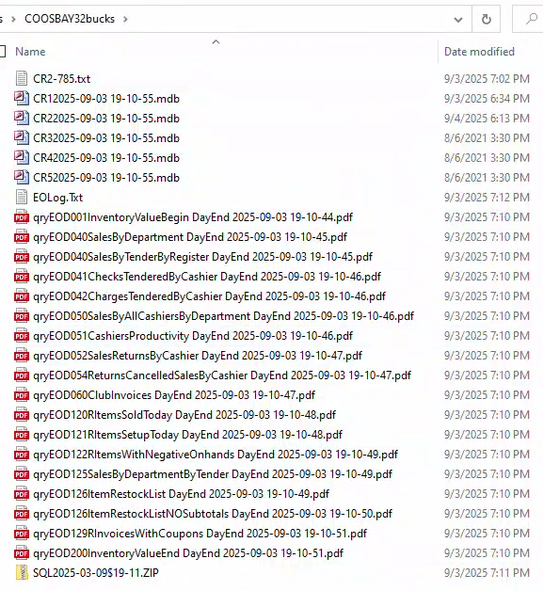
These are the files generated after EOD process.
 | To test the EOD process safely, update some configurations in G5 screen:
 | Settings Tab
 | KMDSMail EODeMail -->> change the email address to a test email
 | KMDSMail sendpassword -->> change to a fake password
 | EOD Reports Tab
 | e-Mail address -->> change to a test email
 | OLCC FTP Info Tab
 | OLCC FTP Password -->> change it so it can't login to the server
 | Check Out Flags
 | Check out the cash register files and click "Look for Detail files" to verify the MDB files
 | EOD won't process of nothing is check out
 | Printer Setting
 | To avoid printing automatically, change the default setting to Print to PDF via Control Panel

Request
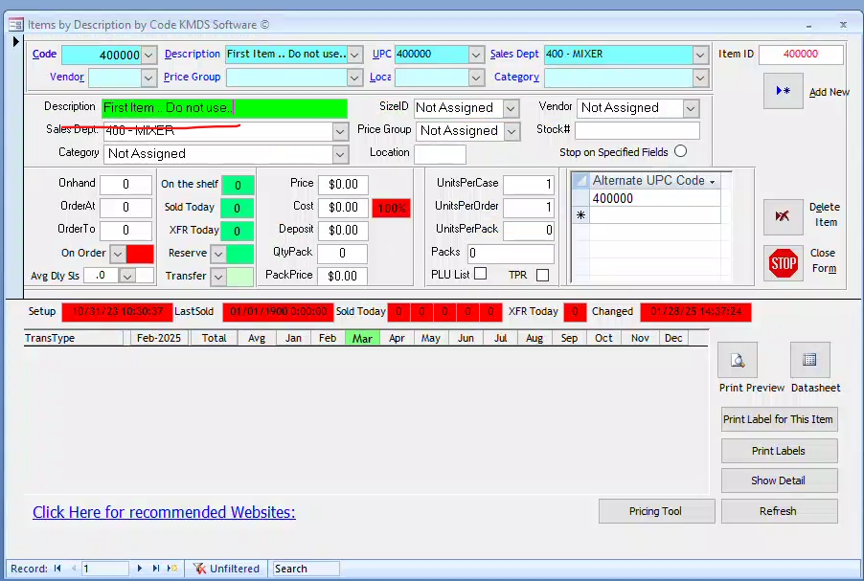
9/23/2025 -
10 and 12 digits won'd delete right away even after changing the OnHand to 0
Crete a GUI that will display the items in D1 and can be sorted.. And deleted..
 | Export the file before deleting - call it a Log File and save it in Reports.
Create a GUI like in B1 screen - Blue listbox so he can select an entry and delete it.

Future Projects
 | One is I pick screens like B1, D1, C1 etc and you find and document the table the data resides. Reason is if someone calls and bad data has been inserted in one of these tables, i can learn off of this effort how to querie, delete and edit things that are likely to be corrupted. |  |  |  |  |  |  |  | https://iclanwebsites.slack.com/archives/D086R0PPQH0/p1756947495314719
 | Can you create a gui where I enter the invoice number and it deletes it from sql |  |  |  |  |  |  |  | https://iclanwebsites.slack.com/archives/D086R0PPQH0/p1757029526482469
 | Remind me I need a button to resend end of day results |  |  |  |  |  |  |  | https://iclanwebsites.slack.com/archives/D086R0PPQH0/p1757040578533169
 | Also put on the list we need to look into two stores that have fs3 and fs5 instead of fs1. We need to be prepared if we need to replace a computer |  |  |  |  |  |  |  | https://iclanwebsites.slack.com/archives/D086R0PPQH0/p1757116281273129
 | Another thing we can look at is force loading and maybe error detection for weborders |  |  |  |  |  |  |  | https://iclanwebsites.slack.com/archives/D086R0PPQH0/p1757196701781429

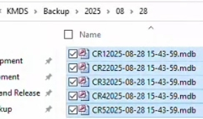
8/28/2025 - EOD Backout
 | Source: |  |  | Working folder: |  |  |  |  |  |  | Checker: D3
 |  |  |  |  | The tool is pointing to this folder so you have to place the register files here with the proper name.
 |  |  |  |  | Create a new folder called BO and subfolders for year, month and day

 |  |  |  |  |  | Request: | Create a button that will run the queries below. The last query will need changing.
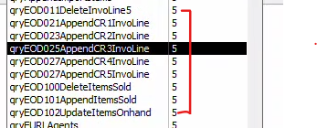

5/30/2025 - Compare Item Records by Column
 | Compare Item Records by Column - compare the Item tables between 2 databases and able to select the columns to compare

5/7/2025 - Populate the missing 89 items and export to Excel, and use the KMDSTools2019ice.accdb tool to import the items into C1 screen
 | Tools: | C:\Users\Owner\Desktop\PODUNNSTART
 |  | Name: KMDSTools2019ice.accdb |  |  |  |  | STEPS: | /*** Goal: Identify missing items between 2 DBs and create POs in C1 screen of the missing items using the KMDSTools2019ice_20250507.accdb tool. ***/ -- STEP 1. Restore the backup database. In this case, I renamed it to KMDSSQL_48. -- STEP 2. Identify the missing items and export the result into Excel. USE KMDSSQL7 GO IF OBJECT_ID('tempdb..#MissingItem') IS NOT NULL DROP TABLE #MissingItem; WITH Older AS ( SELECT ID AS ItemID, Onhand FROM KMDSSQL_48.dbo.Item WHERE VendorID = 1 ), Newer AS ( SELECT ID AS ItemID, Onhand FROM KMDSSQL7.dbo.Item WHERE VendorID = 1 ) SELECT -- o.ItemID AS ItemID_Old, -- o.ItemID AS ItemID_48, -- n.ItemID AS ItemID_49, -- o.Onhand AS Onhand_48, -- n.Onhand AS Onhand_49, o.Onhand AS QTY, o.ItemID AS CODE INTO #MissingItem FROM Older o LEFT JOIN Newer n ON o.ItemID = n.ItemID WHERE n.ItemID IS NULL --AND o.ItemID = 99901098275; GO SELECT * FROM #MissingItem GO -- STEP 2. Identify if the missing items are found in OLCCitem table SELECT * FROM #MissingItem mi INNER JOIN OLCCitem oi ON mi.Code = oi.Code; -- STEP 3. Open the KMDSTools2019ice_20250507.accdb tool. The password is 2018. -- STEP 4. Click the 'Load Purchase Order from Excel Spreadsheet' button and select the Excel file exported from STEP 1. -- STEP 5. Click the 'Step 2 - Import from above spreadsheet' button. This process will insert the data into the OLCCEPS local table in 'C:\KMDS\KMDS2007.accdr' Access file. -- STEP 6. Open KMDS (C:\KMDS\KMDS2007.accdr), go to C1 screen, click 'Import OLAS Packing List' button
 |  | Startup form: Form1
 |  | Button: Load Purchase Order from Excel Spreadsheet
 | DB Backup: | C:\Users\Owner\Desktop\SUNNYSIDEINVENTORY
 |  | 48HASKMDSSQL.BAK
 |  | 49NOTHAVEBACKOUTKMDSSQL.bak
 | Excel Template:

4/8/2025 - Create a new method in C1 to create new POs based on Sales History
 | Menu | : C1 > select Vendor Name > select Based on Sales History option > provide the Sales History date range > provide the Sales Department range > click Create Purchase Order button
 | Goal | : The total amount should match the Business Ledger report in D3 > 14 Business Ledger -->> recordsource: qryBusinessLedger
 |  | : Create the switch in G5 > Settings to provide the user's the ability to use the old method to create the POs or the new method.

3/13/2025 - create a simulation that will sell alll the liquors via Cash Register to identify potential data issues
 | Menu | : A1
 | VBA | : Form_CashRegister.Form_Open
 |  | At the end of routine, it will open c:\kmds\cr3.exe
 |  | This was created using Visual Basic 5 or VB5
 | VB Source Files | : C:\KMDSDeveloper\CR3
 |  | I created a copy to C:\Users\Owner\Documents\CBensig Development\Cash Register VB

3/10/2025 - UPC Check for liquor (WHERE UPC 1 or less list) |  |  |  |  |  |  |  |  |  | EFITZKMDS@gmail.com
 | Menu | : D1
 | Task | : Create a SQL script that will pull all the liquor items that have only 1 UPC and export it to Excel
 |  | Restore the below database backup and use it

3/9/2025 - Email documentation/understanding how it works / resender -- End Of Day process |  |  |  |  |  |  |  |  |  | EFITZKMDS@gmail.com
 | Issue | : Client is unable to receive the EOD email
 | EOD Menu | : A2 - Cash Register Functions > End of Day
 | Findings | : The emails in the EOD process in A2 has 2 parts

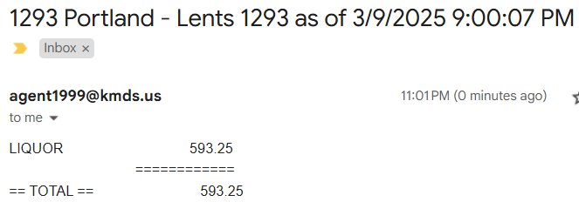
 | PART 1 | : Email that will contain the total EOD sales by department |  |  | Log error: |  |  |  |  | Sample email:
 | VBA | : modEOD.EndOFDayStream > modEMail.EODTextMessage
 | Cause | : The recordset returns a NULL email -- qryEOSalesForEMail
 |  | : Query definition | SELECT ... FROM qryEOSalesByDepartmentNoOS, Agents INNER JOIN Sysfile ON Agents.AgentNumber = Sysfile.AgentNumber

 | Solution | : Provide the email address in Agents.Email field… or update in E6 - Lookup Files > Agents > Profile tab > E-Mail Address textbox

 | PART 2 | : Email that will attach all EOD reports defined in G5 (EOD Reports tab) where the eMail field is checked
 | VBA | : modEOD.EndOFDayStream > after EOLog "EODeMailReports" line
 | Cause | : 1. Email address is missing in G5 > EOD Reports tab
 |  | 2. The "C:\kmds\EOD File Transmit List.txt" file is missing
 | Solution | : 1. Provide the email in G5 > EOD Reports tab and click the "Save e-Mail" button
 |  | 2. Execute the End of Day (A2) to generate the "C:\kmds\EOD File Transmit List.txt" file

 | Resending EOD Emails
 | Menu | : G5 - Owner > System Profile > EOD Reports tab
 | Form | : Form_Sysfile
 | Button | : cmdSendEODEmails, cmdSendEODEmails_Click

2/19/2025 - Move the 2 buttons for "Inventory Valued By Code XLS Compare" from D3 to G5>Setup/Repair
 | Menu | : from D3 to G5>Setup/Repair

2/18/2025 - Delete all POs and PO Lines for OLCC Warehouse
 | Menu | : C1 - Purchase Order Management > Purchase Orders
 | Object | : Green Listbox
 | Action | : Delete all POs and PO Lines for OLCC Warehouse
 | SQL Script | /*** Menu : C1 - Purchase Order Management > Purchase Orders Object : Green Listbox Action : Delete all POs and PO Lines per Vendor ***/ BEGIN TRANSACTION DECLARE @Vendor INT; SET @Vendor = 1; --SELECT * FROM PurchaseOrderLine WHERE VendorID = @Vendor --SELECT * FROM PurchaseOrder WHERE VendorID = @Vendor -- Checker: BEFORE WITH qryPurchaseOrderLineTotals AS ( SELECT PurchaseOrderLine.PurchaseOrderID ,Sum(PurchaseOrderLine.QuantityShipped) AS Quantity ,Sum([QuantityShipped]*[Price]) AS Dollars FROM PurchaseOrderLine GROUP BY PurchaseOrderLine.PurchaseOrderID ) SELECT PurchaseOrder.ID --,[Vendor].[Name] + ' ' + [EPS] AS Vname ,[Vendor].[Name] + ' ' + (CASE WHEN [PurchaseOrder].[SetupDate] = '1/1/2018' THEN '(IMPORTED)' ELSE '' END) AS Vname ,CONVERT(VARCHAR(5), [OrderDate], 101) AS [Date] --Format([OrderDate],'mm/dd') AS [Date] ,PurchaseOrder.OrderCount AS InvNumber ,qryPurchaseOrderLineTotals.Quantity ,qryPurchaseOrderLineTotals.Dollars ,Vendor.Name ,CASE WHEN [PurchaseOrder].[SetupDate] = '1/1/2018' THEN '(IMPORTED)' ELSE '' END AS EPS FROM (PurchaseOrder INNER JOIN Vendor ON PurchaseOrder.VendorID = Vendor.ID) INNER JOIN qryPurchaseOrderLineTotals ON PurchaseOrder.ID = qryPurchaseOrderLineTotals.PurchaseOrderID WHERE Vendor.ID = @Vendor ORDER BY qryPurchaseOrderLineTotals.PurchaseOrderID, Vendor.Name; -- Child DELETE FROM PurchaseOrderLine WHERE VendorID = @Vendor -- Parent DELETE FROM PurchaseOrder WHERE VendorID = @Vendor -- Checker: AFTER WITH qryPurchaseOrderLineTotals AS ( SELECT PurchaseOrderLine.PurchaseOrderID ,Sum(PurchaseOrderLine.QuantityShipped) AS Quantity ,Sum([QuantityShipped]*[Price]) AS Dollars FROM PurchaseOrderLine GROUP BY PurchaseOrderLine.PurchaseOrderID ) SELECT PurchaseOrder.ID --,[Vendor].[Name] + ' ' + [EPS] AS Vname ,[Vendor].[Name] + ' ' + (CASE WHEN [PurchaseOrder].[SetupDate] = '1/1/2018' THEN '(IMPORTED)' ELSE '' END) AS

2/18/2025 - Move all liquor items from 'Not Assigned' to 'OLCC Warehouse' vendor
 | Menu | : D1 - Item File Maintenance > Inventory Items
 | Issue | : Items were assigned to the wrong vendor, ex. liquor item is under Not Assigned vendor
 | Action | : Created a SQL script to move all liquor items from 'Not Assigned' to 'OLCC Warehouse' vendor
 | SQL Script | /*** Menu : D1 - Item File Maintenance > Inventory Items Issue : Items were assigned to the wrong vendor, ex. liquor item is under Not Assigned vendor Action : Moved the items to the correct vendor, check for duplicates before moving ***/ DECLARE @VendorNameFrom VARCHAR(100), @VendorNameTo VARCHAR(100); SET @VendorNameFrom = 'Not Assigned'; SET @VendorNameTo = 'OLCC WAREHOUSE'; DECLARE @VendorIDFrom INT, @VendorIDTo INT; SET @VendorIDFrom = (SELECT [ID] FROM dbo.Vendor WHERE [Name] = @VendorNameFrom); SET @VendorIDTo = (SELECT [ID] FROM dbo.Vendor WHERE [Name] = @VendorNameTo); -- Items from the source Vendor.ID IF OBJECT_ID('tempdb..#ItemFrom', 'U') IS NOT NULL DROP TABLE #ItemFrom; SELECT * INTO #ItemFrom FROM dbo.Item WHERE VendorID = @VendorIDFrom AND [ID] LIKE '999%' AND LEN([ID]) = 11; -- Items from the destination Vendor.ID IF OBJECT_ID('tempdb..#ItemTo', 'U') IS NOT NULL DROP TABLE #ItemTo; SELECT * INTO #ItemTo FROM dbo.Item WHERE VendorID = @VendorIDTo AND [ID] LIKE '999%' AND LEN([ID]) = 11; -- Checker: Identify if items from the source are present in the destination DECLARE @DuplicateCount INT; SET @DuplicateCount = (SELECT COUNT(*) FROM #ItemFrom a INNER JOIN #ItemTo b ON a.[ID] = b.[ID]); IF @DuplicateCount = 0 BEGIN BEGIN TRANSACTION -- Update Item.VendorID UPDATE a SET a.VendorID = @VendorIDTo FROM dbo.Item a INNER JOIN #ItemFrom b ON a.[ID] = b.[ID] WHERE a.VendorID = @VendorIDFrom; -- Update PurchaseOrder.VendorID UPDATE a SET a.VendorID = @VendorIDTo FROM dbo.PurchaseOrder a INNER JOIN #ItemFrom b ON a.[ID] = b.[ID] WHERE a.VendorID = @VendorIDFrom; -- Update PurchaseOrderLine.VendorID UPDATE a SET a.VendorID = @VendorIDTo FROM dbo.PurchaseOrderLine a INNER JOIN #ItemFrom b ON a.[ID] = b.[ID] WHERE a.VendorID = @VendorIDFrom; -- Update InvoLine.SalesGroup UPDATE a SET a.SalesGroup = @VendorIDTo FROM dbo.In

2/9/2025 - Export and compare d3 report (Item ID, Onhand, Price, Cost) between 2 backup DBs
 | Liquour Only -- Sales Dept 1
 | D3

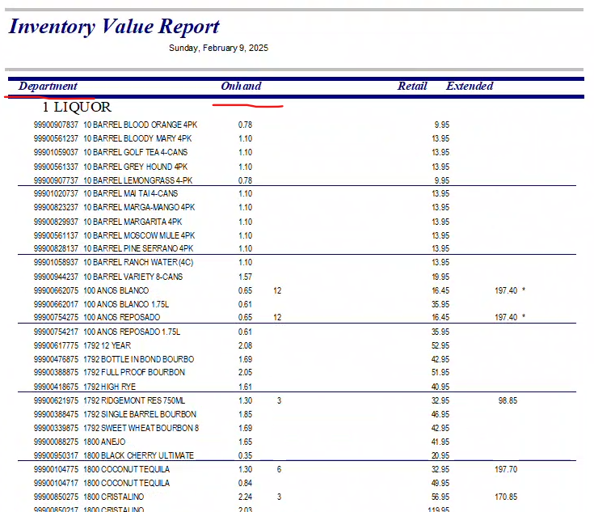
 |  |  |  |  |  | export to Excel > ID and Onhand only
 |  |  |  |  |  | sort by ID ASC

 |  |  |  |  |  | compare the 2 DBs
 |  |  |  |  |  | extract the report into Excel and compare
 |  |  |  |  |  | Include these 2 columns
 |  |  |  |  |  | D1 |  | D3

2/9/2025 - Simulate the cash register for all sales department to trap errors (ex. long desciptions, null) and create the error log
 | E1 > Preview

 | Create an interface that will simulate the work of a cashier… to identify if there will be issues when inputting the data.. Very helpful when creating a new store..

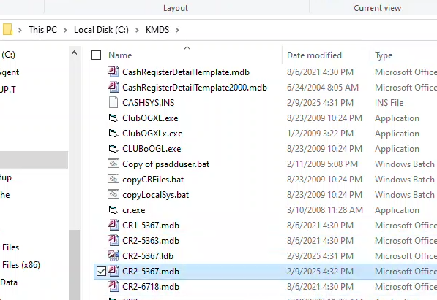
 | Once the cashier puch the data, it will go to the .mdb file below
 |  |  |  |  |  |  | sample errors to trap:
 |  |  |  |  |  |  | Description is too long, it could mess up the cash register.. Or NULL..

Docu Images
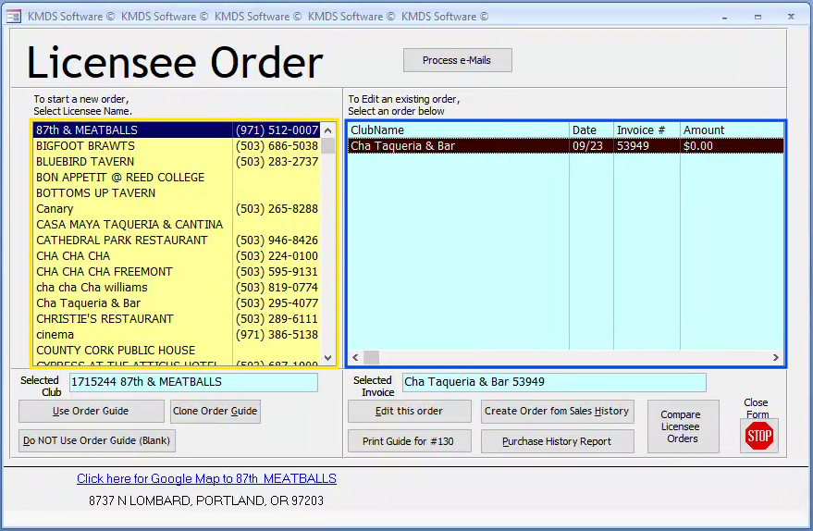
1
2
3
4
5
7
6
8
9
10
11

START
Checked out?
No
Yes
Quit KMDS
Process EOD
(EndOfDayStream)
Logging and Setup
Load Defaults
Prepare Backup
Directory
Check Cash
Register Files
Database Backup
Additional Backup
Email & Notifications
Creates Daily
Transmit Files
Export Fintech Data
Process EOD Queries
and Reports
Cleanup/Reset
Cloud Backup
Cancel (There are no registers checked out!)
Logout

